Build Live
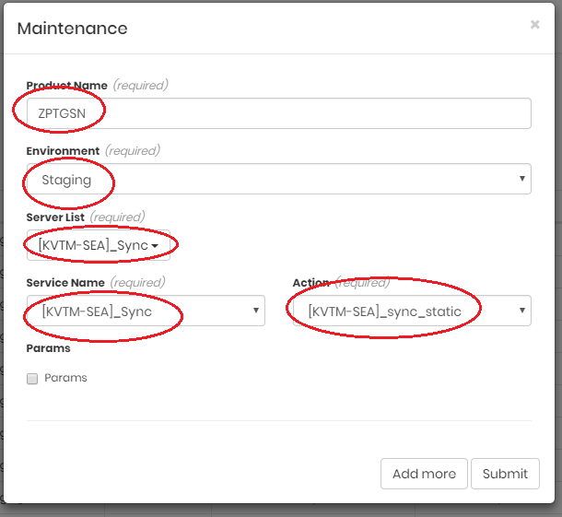
Group | ID | Name | Notes | Notes
Repare | 1.1 | Update SVN trunk |  | http://10.198.48.98/svn/projects/kvtmjs/trunk
 | 1.2 | Make data | _all_make_data.bat
 | 1.3 | Increase script_version | client\build\live\version.json
 | 1.4 | Commit new data and version
 | 2.1 | Build and sync to branch | build.bat <country> live | server\game\tool\sync
 | 2.2 | Sync to deploy | chạy script Sync Server | http://10.198.48.147:8081/
 | 2.1 | Build client APK cho QC test | kvtm_live_VN_APK | http://10.198.48.240:8080/
 | 2.2 | Download APK |  | release-gsn.mto.zing.vn/kvtm_release_VN_APK
 | 2.3 | Upload lên Ondrive release
 | 2.4 | Build server | Deploy Live | http://10.198.48.147:8081/
Upload | 3.1 | Update SVN deploy |  | https://10.30.44.16/svn/zp_mini/kvtmjs
 | 3.2 | Upload Newsboard | uploadJava.bat live newsboard 12 | chỉ up khi có thay đổi
 | 3.3 | Upload Friend | uploadJava.bat live friend 13 | chỉ up khi có thay đổi
 | 3.4 | Upload Balance | uploadJava.bat live balance 0 | chỉ up khi có thay đổi
 | 3.5 | Upload Billing | uploadPHP.bat live billing | chỉ up khi có thay đổi
 | 3.7 | Upload Game | uploadJava.bat live game <group test> | up vào group không có user
 | 3.6 | Upload Admin | uploadJava.bat live admin 11 | luông up kèm với service game
 | 3.7 | Upload Game | uploadPHP.bat live gm | luông up kèm với service game
QC | 4.1 | Chờ QC quick test |  | Nếu test fail thi không được làm bước sau (sync CDN)
Sync | 5.1 | Build client CDN | kvtm_live_VN_CDN | http://10.198.48.240:8080/
 | 5.2 |  | Dùng tool https://so.mto.zing.vn để upload data client lên CDN Product Name: ZPTGSN Enviroment: Staging Server List: [KVTM-SEA]_Sync Service Name: [KVTM-SEA]_Sync Action: [KVTM-SEA]_sync_static

